All Panels
Infoez (Customer,Business owner & Admin Panels) Responsive Testing Bugs
 | Bug Id | Bug_001 | 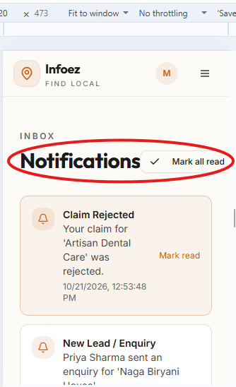 Mobile S - 320 PX
1 | Title | Responsive - Infoez - Overall - Notifications - "Notification" Heading and "Mark all read" Button are Improperly spaced and Misaligned
 | Description | verify the Inbox "Notifications" Heading and "Mark all read" button are displayed too close to each other and doesnot have proper space and alignment
 | Steps | 1. Launch the application URL in Chrome 2. Sign in with Customer or Business owner or Admin 3. Click the Profile Icon in Top right corner 4.Click the Notifications 5. Resize and check the all screen sizes 6. Observe the Notifications Page
 | Screen size | Mobile S -320 PX
 | Page | Notifications – All the 3 panels
 | Expected | Mobile S -320 PX - "Notifications" Heading and "Mark all read" button Should be displayed correctly with proper space and alignment
 | Actual | Mobile S -320 PX - "Notifications" Heading and "Mark all read" button are displayed too close to each other and doesnot have proper space and alignment
 | Priority | Medium
 | severity | Low
2 | Bug Id | Bug_002 | 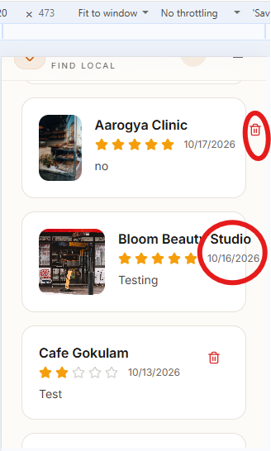 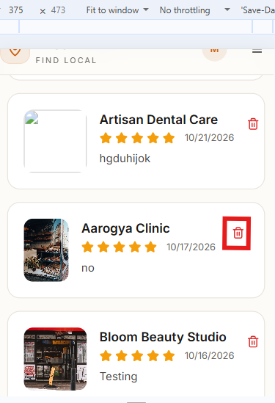 Mobile M -375 PX Mobile S -320 PX
 | Title | Responsive - Infoez - Overall - My Reviews - Review card Shop Name ,date and Delete Icon are Misaligned and overflow outside the Review card
 | Description | verify the Shop Name,Date and Delete Icon in some review cards are not properly aligned within the card boundaries it overflow outside the review card. Improper spacing and inconsistent UI layout in different screen sizes
 | Steps | 1. Launch the application URL in Chrome 2. Sign in with Customer or Business owner or Admin 3. Click the Profile Icon in Top right corner 4.Click the My Reviews 5. Resize and check the all screen sizes 6. Observe the My Reviews Page
 | Screen size | Mobile M -375 PX , Mobile S -320 PX
 | Page | My Reviews – All the 3 panels
 | Expected | Mobile M -375 PX - All review cards Delete icon Should be properly aligned within the review card
 | Expected | Mobile S -320 PX - All review cards Shop Name,Date and Delete icon Should be properly aligned within the review card
 | Actual | Mobile M -375 PX - some review cards Shop Name are overflowing outside the review card .It is not properly aligned within the card boundaries
 | Actual | Mobile S -320 PX - some review cards Shop Name,Date and Delete icon are overflowing outside the review card .It is not properly aligned within the card boundaries
 | Priority | Medium
 | severity | Medium
 | Bug Id | Bug_003 | 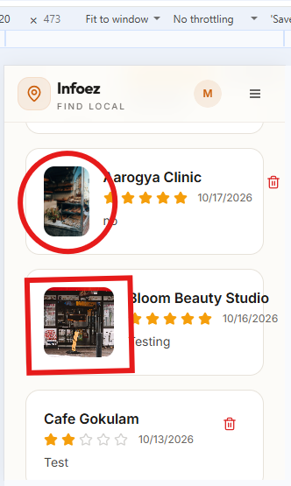 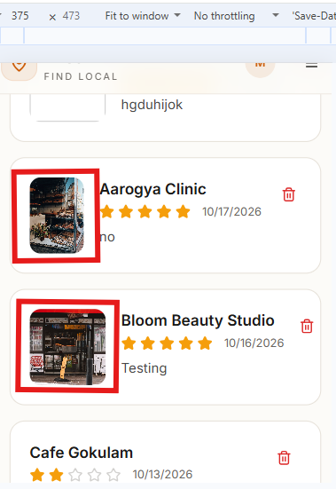 Mobile M-375 Px Mobile S -320 PX
3 | Title | Responsive - Infoez - Overall - My Reviews - Review card Images are displayed inconsistent sizes
 | Description | verify the images displayed within the review cards have inconsistent sizes with some images displayed smaller than others in different screen sizes
 | Steps | 1. Launch the application URL in Chrome 2. Sign in with Customer or Business owner or Admin 3. Click the Profile Icon in Top right corner 4.Click the My Reviews 5. Resize and check the all screen sizes 6. Observe the My Reviews Images
 | Screen size | Mobile M -375 PX , Mobile S -320 PX
 | Page | My Reviews – All the 3 panels
 | Expected | Mobile M -375 PX - All reviews cards images Should be same size and visible properly
 | Expected | Mobile S -320 PX - All reviews cards images Should be same size and visible properly
 | Actual | Mobile M -375 PX -Some review cards Images are displayed smaller compared to the other review cards images
 | Actual | Mobile S -320 PX -Some review cards Images are displayed smaller compared to the other review cards images
 | Priority | Medium
 | severity | Low
4 | Bug Id | Bug_004 | 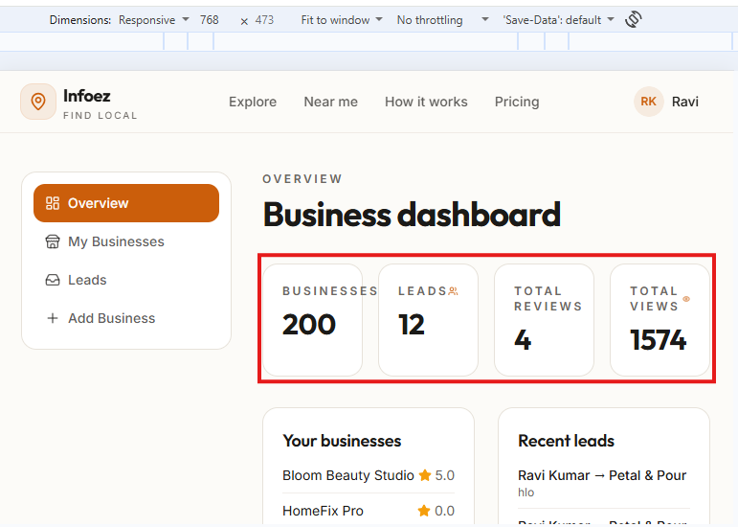 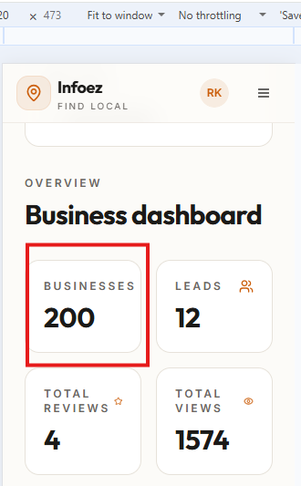 Tablet - 768 PX Mobile S -320 PX
 | Title | Responsive - Infoez - Business owner & Admin - Business Dashboard -> Overview - Dashboard Summary are improper text placing , Hidden and Misaligned Icons
 | Description | verify theBusiness dashboard overview section displays UI alignment issues text is not properly placed and icon was Hidden in different screen sizes
 | Steps | 1. Launch the application URL in Chrome 2. Sign in with Business owner or Admin 3. Click the Profile Icon in Top right corner 4.Click the Business dashboard 5. Resize and check the all screen sizes 6. Observe the overview section
 | Screen size | Tablet - 768 PX , Mobile S -320 PX
 | Page | Overview – 2 panels (Business owner & Admin)
 | Expected | Tablet - 768 PX - In overview Business dashboard section businesses card Icon and Text Placing Should be display Correctly
 | Expected | Mobile S -320 PX -In overview Business dashboard section businesses card Icon and Text Placing Should be display Correctly
 | Actual | Tablet - 768 PX - In overview Business dashboard section Businesses card Icon was Hidden and Text was not properly Placed
 | Actual | Mobile S -320 PX - In overview Business dashboard section Businesses card Icon was Hidden
 | Priority | Medium
 | severity | Medium
5 | Bug Id | Bug_005 | 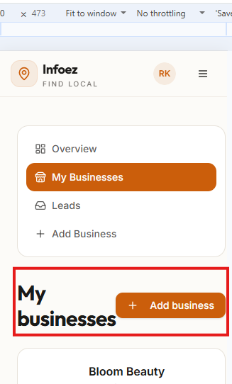 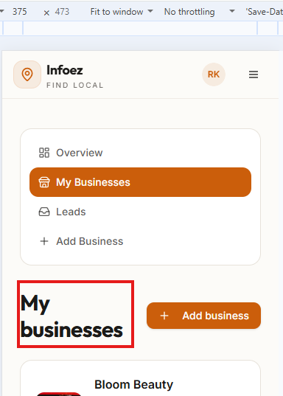 Mobile M - 375 PX Mobile S -320 PX
 | Title | Responsive - Infoez - Business owner- Business Dashboard -> My Businesses - "My Businesses" Heading wraps into two lines and improper space between the heading and "Add Business" Button
 | Description | "My Businesses" Heading wraps into two lines instead of diplayed in single line and "Add Business" button is placed too close to the Heading. Heading and Button should be proper space and proper alignment.
 | Steps | 1. Launch the application URL in Chrome 2. Sign in with Business owner 3. Click the Profile Icon in Top right corner 4.Click the Business dashboard 5.click the My Businesses 6. Resize and check the all screen sizes 7. Observe the My Businesses section
 | Screen size | Mobile M - 375 PX , Mobile S -320 PX
 | Page | My Businesses – Business owner Panel
 | Expected | Mobile M -375 PX - "My businesses" Heading in single line and "Add business" button should be displayed correctly with proper space and alignment
 | Expected | Mobile S -320 PX -"My businesses" Heading in single line and "Add business" button should be displayed correctly with proper space and alignment
 | Actual | Mobile M -375 PX -"My businesses" Heading wraps into two lines does not have proper alignment
 | Actual | Mobile S -320 PX -"My businesses" Heading wraps into two lines and "Add business" button are displayed too close to each other and does not have proper space and alignment
 | Priority | Medium
 | severity | Medium
6 | Bug Id | Bug_006 | 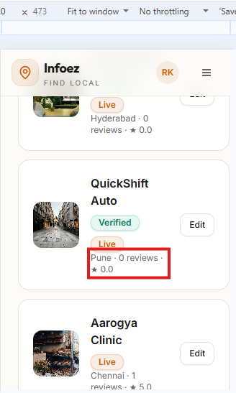 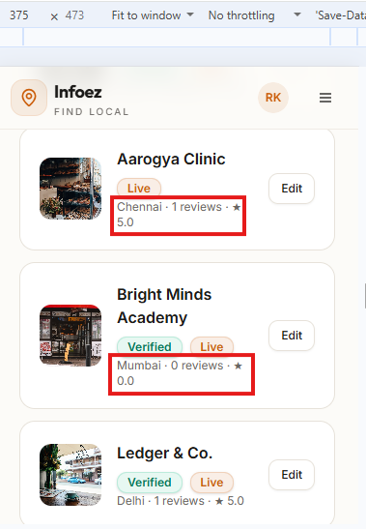 Mobile M - 375 PX Mobile S -320 PX
 | Title | Responsive - Infoez - Business owner - Business Dashboard -> My Businesses - some Business card reviews and ratings are misaligned
 | Description | In the "My Businesses "section reviews and ratings on some business cards are incorrectly displayed on the next line instead of display in the same line with other business details. Reviews and ratings should be displayed in correct position with proper alignment
 | Steps | 1. Launch the application URL in Chrome 2. Sign in with Business owner 3. Click the Profile Icon in Top right corner 4.Click the Business dashboard 5.click the My Businesses 6. Resize and check the all screen sizes 7. Observe the My Businesses section
 | Screen size | Mobile M - 375 PX , Mobile S -320 PX
 | Page | My Businesses – Business owner Panel
 | Expected | Mobile M -375 PX - Business cards reviews and ratings alignment Should be displayed properly with the other business details
 | Expected | Mobile S -320 PX - Business cards reviews and ratings alignment Should be displayed properly with the other business details
 | Actual | Mobile M -375 PX - some Business cards reviews and ratings are incorrectly displayed on the next line instead of displays in same line with the other business details
 | Actual | Mobile S -320 PX - some Business cards reviews and ratings are incorrectly displayed on the next line instead of displays in same line with the other business details
 | Priority | Medium
 | severity | Medium
7 | Bug Id | Bug_007 | 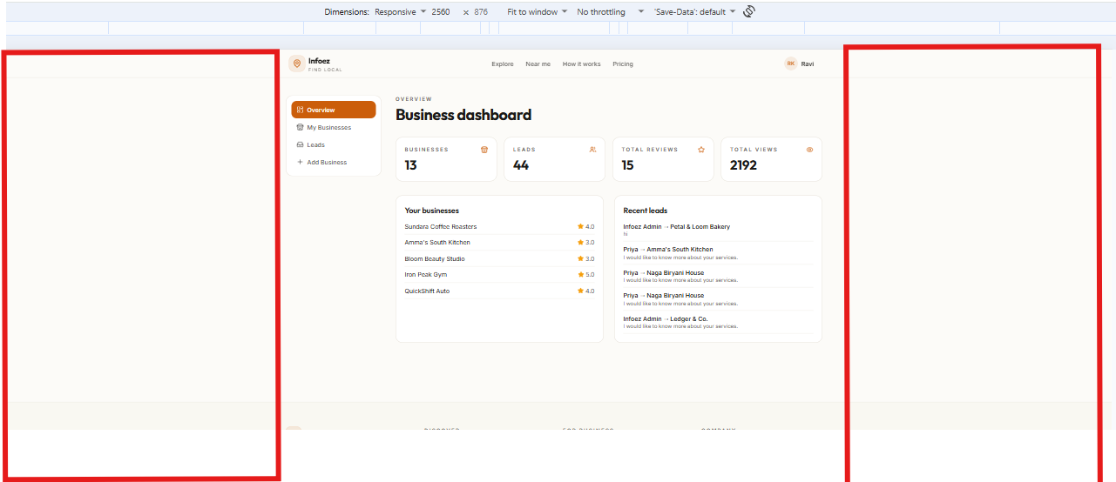 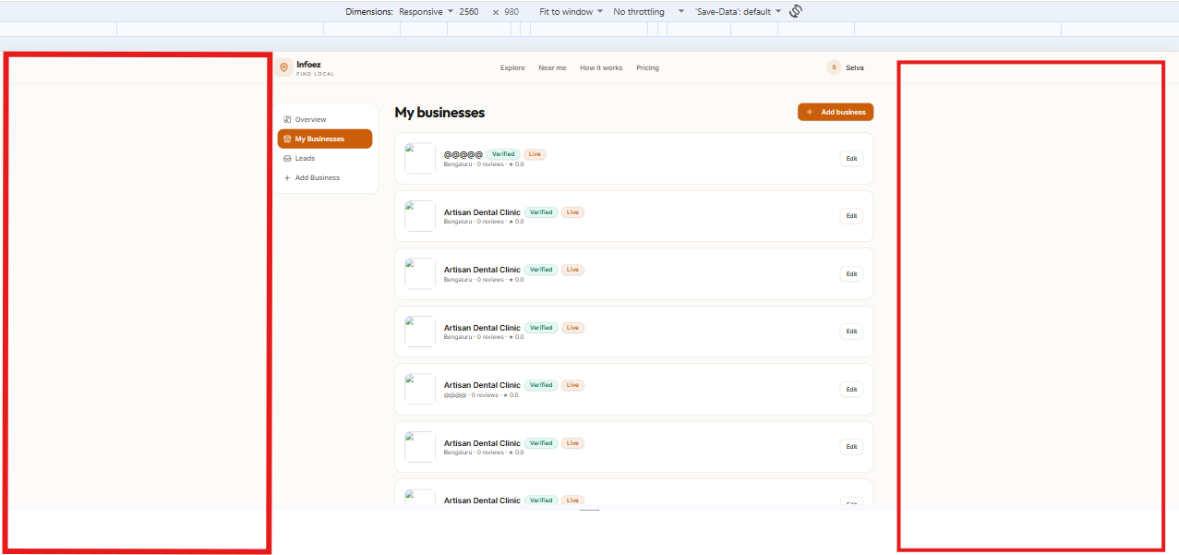 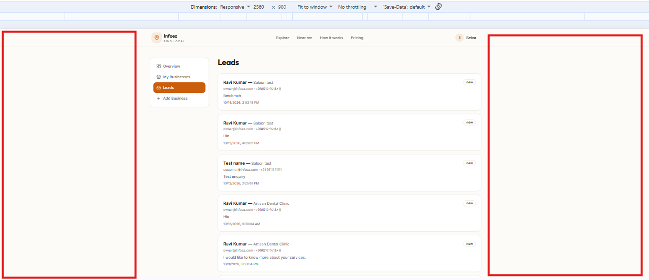 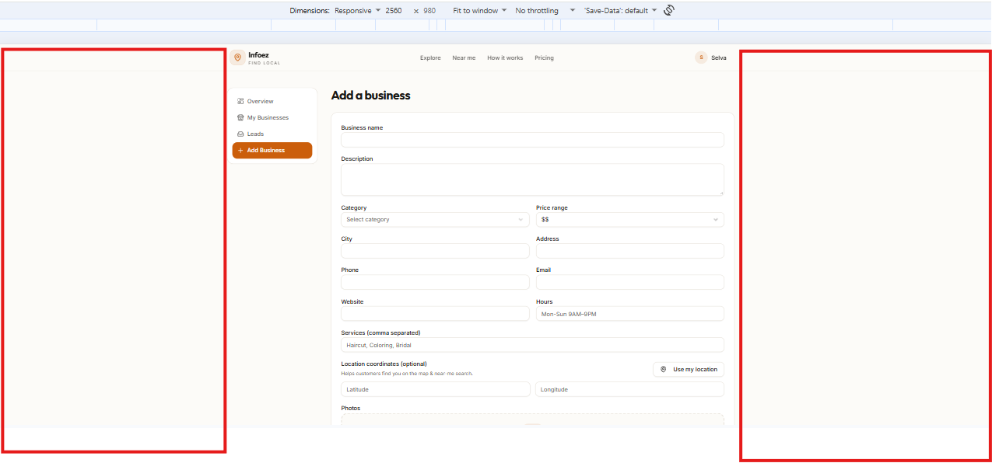 4k 2560 px
 | Title | Responsive - Infoez - Business owner & Admin - Business Dashboard -> overview,My Businesses,Leads and Add Business - Excessive Blank space on the both left and right sides
 | Description | Contents are displayed in the center of the page leaving too much blank space on the both left and right sides. Layout does not use the available screen space properly the content should be aligned properly in the screen layout
 | Steps | 1. Launch the application URL in Chrome 2. Sign in with Business owner or Admin 3. Click the Profile Icon in Top right corner 4.Click the Business dashboard 5.Check the overview, My Businesses, leads and Add Business 6. Resize and check the all screen sizes 7. Observe the overview, My Businesses, leads and Add Business sections
 | Screen size | 4k 2560 px
 | Page | overview,My Businesses, Leads, Add Business – 2 panels (Business owner & Admin)
 | Expected | 4k 2560 px - Alignment is not proper and unnecessary blank space is displayed in the Right side and left side
 | Actual | Alignment is not proper and unnecessary blank space is displayed in the Right side and left side
 | Priority | Medium
 | severity | Medium
 | Bug Id | Bug_008
8 | Title | Infoez - Admin panel - Admin overview module |   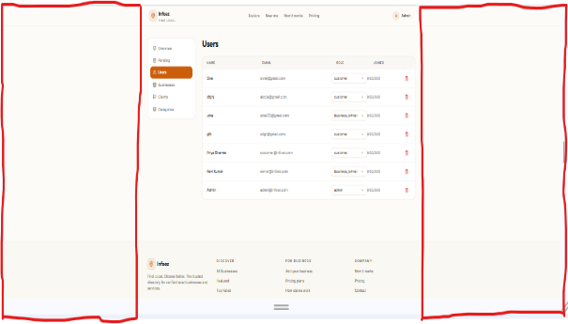 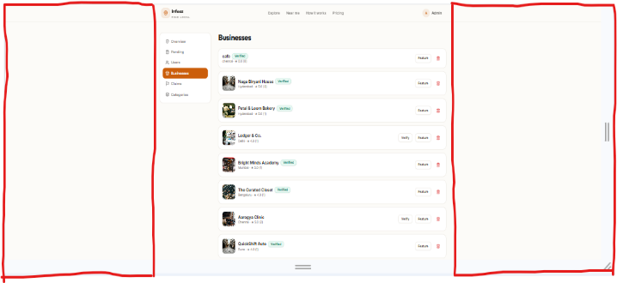 4K
 | Description | The Admin panel contains alignment issues and unnecessary blank space across all module, overview ,pending , user, Add Business, claims and categories is not properly aligned and extra spacing affects the overall page
 | Steps | 1.Launch the url in chrome 2.Navigate to the Admin menu 3.Open Overview 4.Open Pending 5.open user 6.Open Add Business 7.Open Claim 8.Observe the alignment and spacing between dashboard elements
 | Screen Size | Laptop 4K - 2560 px
 | Page | Admin Overview
 | Expected | Laptop 4K - 2560 px -All Dashboard elements should be properly aligned with Proper spacing and no unnecessary blank space
 | Actual | Laptop 4K - 2560 px -Dashboard elements are not properly aligned and excessive blank space is displayed between elements
 | Priority | Medium
 | Severity | Medium

 | Bug id | Bugid_009
9 | Title | Infoez - Admin panel - Admin User details module
 | Description | The user details displayed on the users page are not properly aligned | 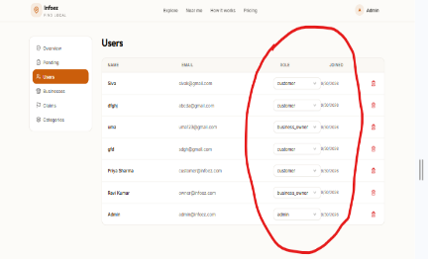 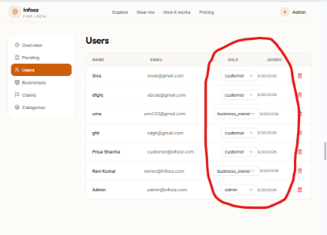 1440px 1024px 786px
 | Steps | 1.Launch the url in chrome 2.Nagivate to the Admin panel 3.Click on the Users menu 4.Observe the alignment and spacing of the page element
 | Screen Size | 1440px - 1024px -786px - 425px - 375px - 320px | 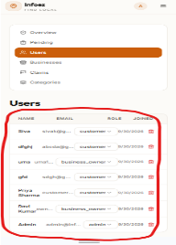 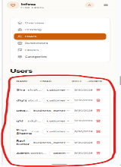 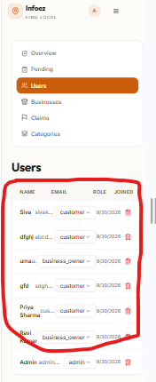 425px 375px 320px
 | Page | Admin panel - users
 | Expected | 1440px - All user details should be aligned properly 1024px -All user details should be aligned properly 786px - All user details should be aligned properly 425px - All user details should be aligned properly 375px - All user details should be aligned properly 320px - All user details should be aligned properly
 | Actual | 1440px - User details are not aligned properly 1024px - User details are not aligned properly 786px - User details are not aligned properly 425px - User details are not aligned properly 375px - User details are not aligned properly 320px -User details are not aligned properly
 | Priority | Medium
 | Severity | Medium

 | Bug id | Bugid_010
10 | Title | Infoez - Admin panel - Admin category Name module
 | Description | The Category name is not properly aligned and extends outside its designed area | 4K-2560px 1440 px
 | Steps | 1.Launch the url in chrome 2.Nagivate to the Admin panel 3.Click on the Categories menu 4.Observe the alignment and spacing of the page element
 | Screen Size | 4K - 2560px - 1440px - 1024px -786px - 425px - 375px - 320px
 | Page | Admin panel - categories | 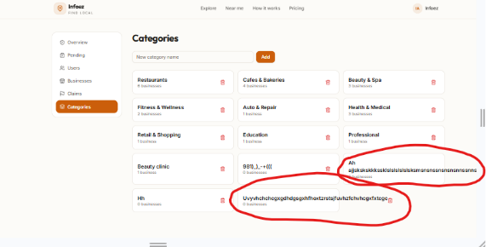 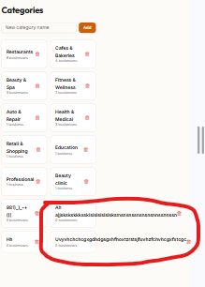 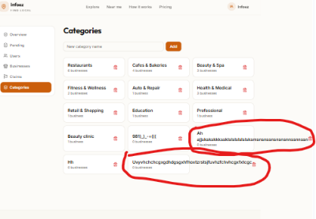 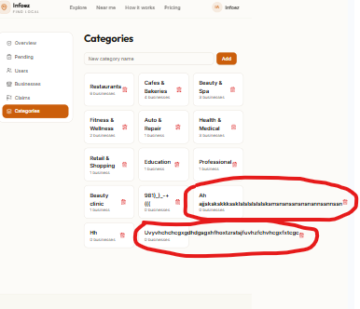 1024px 786px
 | Expected | 4K - 2560px - The Category name should be properly aligned and displayed within its designed area 1440px - The Category name should be properly aligned and displayed within its designed area 1024px -The Category name should be properly aligned and displayed within its designed area 786px - The Category name should be properly aligned and displayed within its designed area 425px - The Category name should be properly aligned and displayed within its designed area 375px - The Category name should be properly aligned and displayed within its designed area 320px - The Category name should be properly aligned and displayed within its designed area
 | Actual | 4K - 2560px - The category name extands outside its designed area 1440px - The category name extands outside its designed area 1024px -The category name extands outside its designed area 786px - The category name extands outside its designed area 425px - The category name extands outside its designed area 375px - The category name extands outside its designed area 320px - The category name extands outside its designed area | 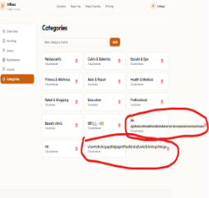 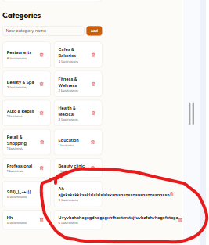 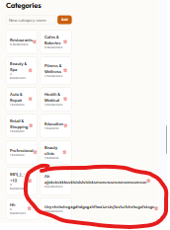 425px 375px 320px
 | Priority | medium
 | Severity | medium

11 | Bug id | Bugid_011
 | Title | Infoez - Admin panel - Admin category Delete Icon module | 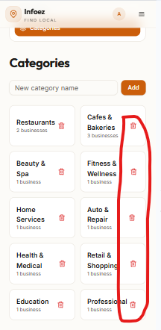 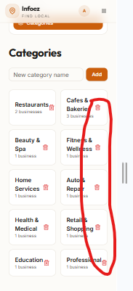 375px 320px
 | Description | The category delete icon is not properly aligned within the designed area
 | Steps | 1.Launch the url in chrome 2.Nagivate to the Admin panel 3.Click on the Categories menu 4.Observe the alignment and spacing of the page element
 | Screen Size | Mobile 375px - 320px
 | Page | Admin panel - categories
 | Expected | Mobile 375px - The category delete icon should be properly aligned with designed area 320px - The category delete icon should be properly aligned with designed area
 | Actual | Mobile 375px - The category delete icon is not properly aligned 320px - The category delete icon is not properly aligned
 | Priority | medium
 | Severity | medium

12 | Bug id | Bugid_012
 | Title | Infoez - Overall | 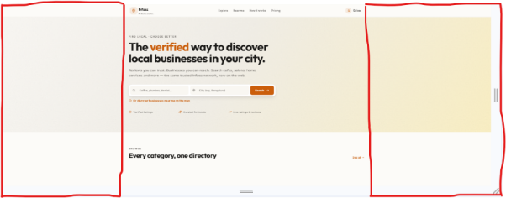 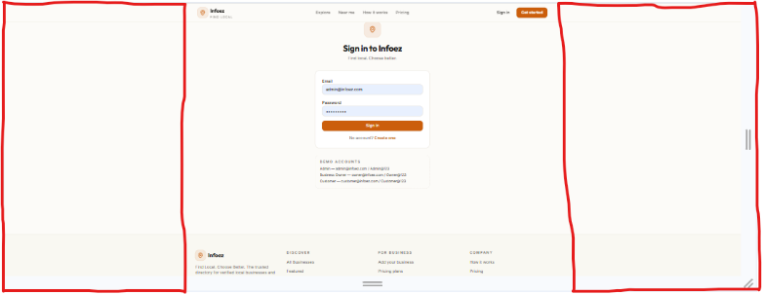 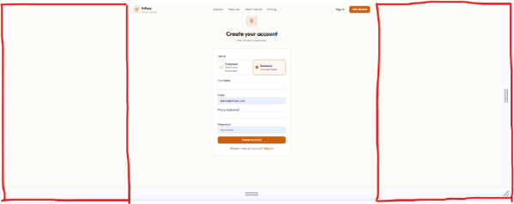 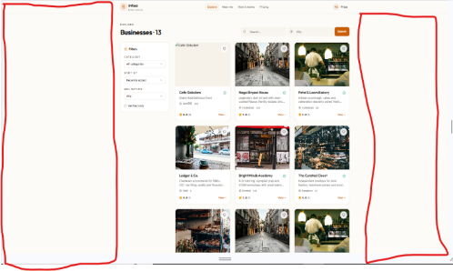 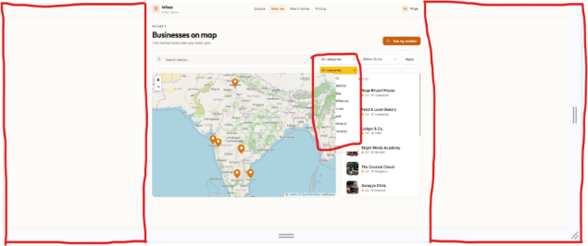 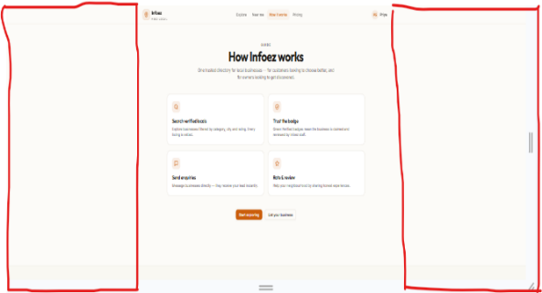 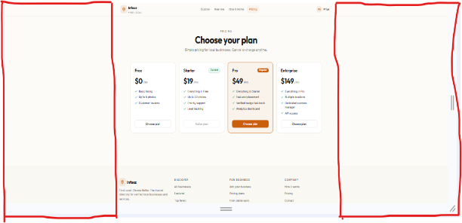 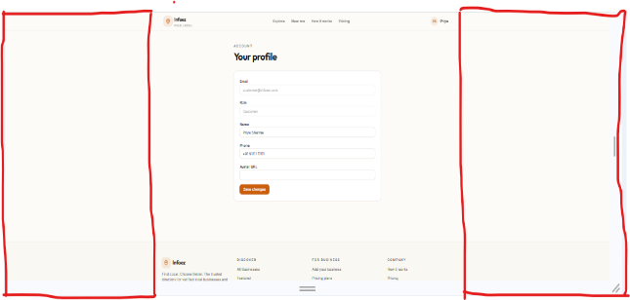 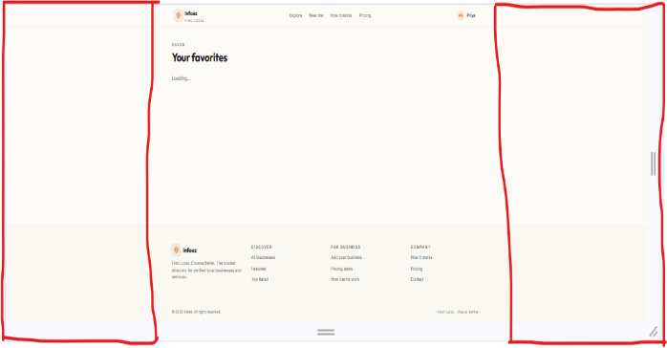 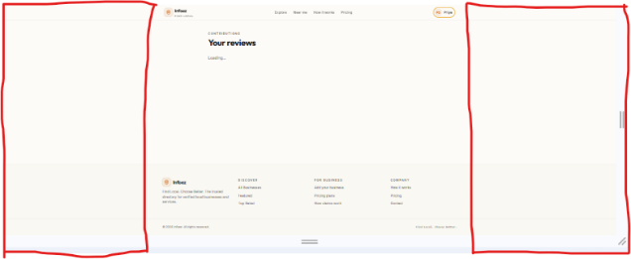 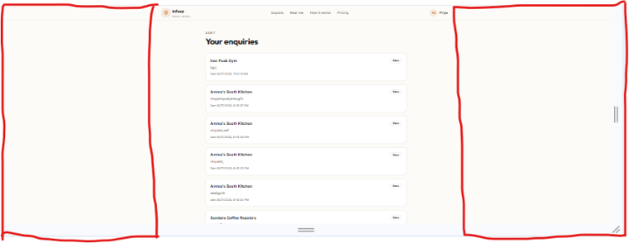 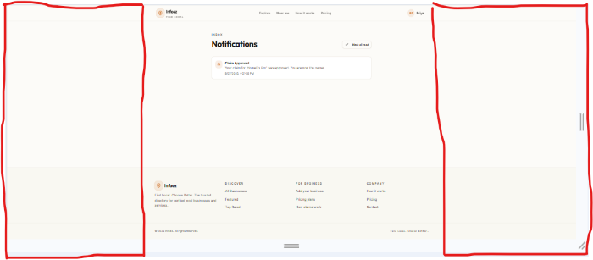 4K-2560px
 | Description | Unnecessary blank space is displayed across all pages of the application affecting the overall page
 | Steps | 1.Launch the url in chrome 2.Navigate to the home page,sign in page and create account page 3.open explore page and check the explore business card 4.Navigate to the Near me, How it works and pricing page 5.Open the profile page and navigate to Favorites,My review,My Enquiries and Notification 6.Observe the spacing between element on each page
 | Screen Size | Laptop 4K - 2560px
 | Page | Home page,Sign in,Create account,Explore,Business card,Near me,How it works,Pricing,Profile,Profile Favorite,My Review,My Enquiries and Notification
 | Expected | Laptop 4K - 2560px - All pages should display properly aligned with Correct spacing and no unnecessary blank space
 | Actual | Laptop 4K - 2560px - Alignment issues and unnecessary blank space are displayed across all pages and affecting the all pages
 | Priority | medium
 | Severity | medium

 | Bug id | Bugid_013
13 | Title | Infoez - Overall - Explore page Business Heading | 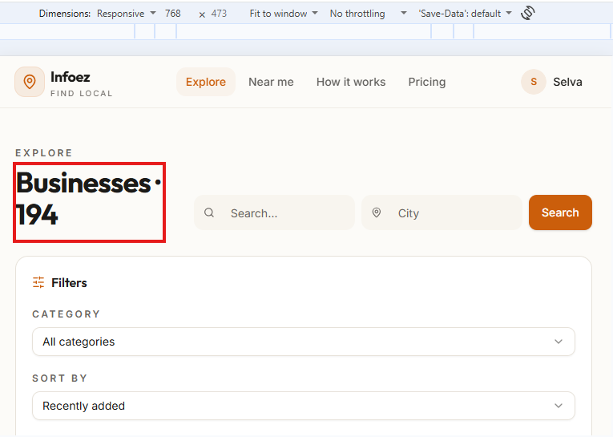 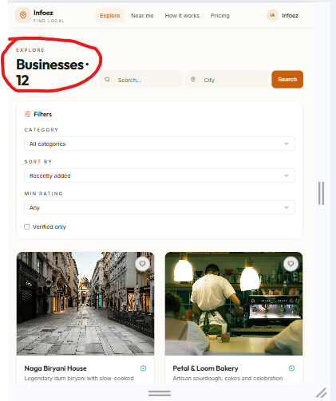 Tablet 786px
 | Description | The Business heading is not properly aligned in the all panel on the explore page
 | Steps | 1.Launch the url in chrome 2.Navigate to the Explore page 3.Observe the Business heading 4.Check the alignment
 | Screen Size | Tablet 786px
 | Page | Explore page
 | Expected | Tablet 786px -The Business heading should be properly aligned with all panels
 | Actual | Tablet 786px -The Business heading is not properly aligned with all panels
 | Priority | Medium
 | Severity | Medium

 | Bug_id | Bugid_014
14 | Title | Infoez - Overall - Explore search field
 | Description | The sample text inside the search field is not properly positioned in the search field | 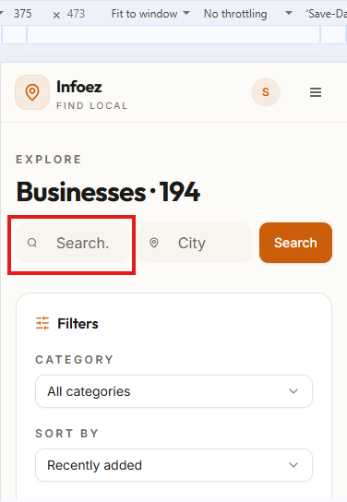 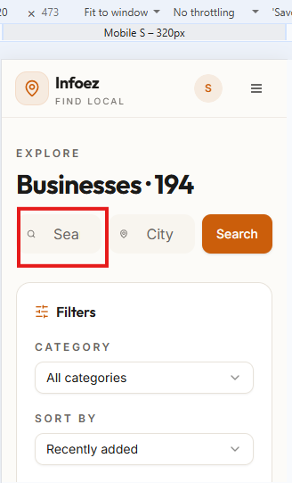 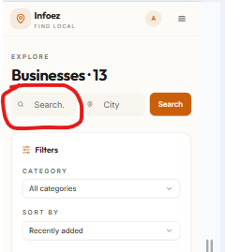 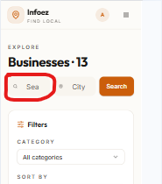 375px 320px
 | Steps | 1.Launch the url in chrome 2.Navigate to the explore page 3.Observe the Search field 4.Check the alignment
 | Screen Size | Mobile 375px - 320px
 | Page | Explore page
 | Expected | Mobile 375px - The sample text should appear properly inside the search field 320px - The sample text should appear properly inside the search field
 | Actual | Mobile 375px - The sample text appears is nor properly aligned in the search field 320px -The sample text appears is nor properly aligned in the search field
 | Priority | Medium
 | Severity | medium

 | Bug_id | Bugid_015
15 | Title | Infoez - Overall - Explore Filters overlap
 | Description | The Filter option on the explore page are overlapping the filter section is not properly visible | 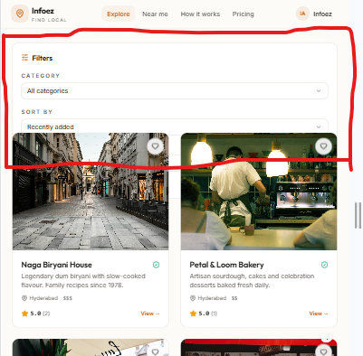  786px 425px
 | Steps | 1.Launch the url in chrome 2.Navigate to the Explore page 3.Observe the filter section 4.Check the alignment
 | Screen Size | Tablet 786px mobile 425px - 375px - 320px
 | Page | Explore page - filter section
 | Expected | Tablet 786px - All Filter elements should be Clearly visible and properly aligned without overlapping mobile 425px - All Filter elements should be Clearly visible and properly aligned without overlapping 375px - All Filter elements should be Clearly visible and properly aligned without overlapping 320px - All Filter elements should be Clearly visible and properly aligned without overlapping
 | Actual | The Filter option overlap options is not clearly visibleTablet 786px - mobile 425px - The Filter option overlap options is not clearly visible 375px - The Filter option overlap options is not clearly visible 320px - The Filter option overlap options is not clearly visible |   375px 325px
 | Priority | medium
 | Severity | medium

 | Bug_id | Bugid_016
16 | Title | Infoez - Overall - Near me all categories Filters overlap
 | Description | The All Categories dropdown overlaps with the surrounding Element on the Near me page |  4K-2560px 1440px
 | Steps | 1.Launch the url in chrome 2.Navigate to the Near me 3.Locate the All categories dropdown 4.Observe the position
 | Screen Size | Laptop 4K -2560px - 1440px - 1024px Tablet 786px mobile 425px - 375 px - 320 px
 | Page | Near me
 | Expected | Laptop 4K -2560px - The all categories dropdown should be displayed properly without overlapping 1440px - The all categories dropdown should be displayed properly without overlapping 1024px -The all categories dropdown should be displayed properly without overlapping Tablet 786px - The all categories dropdown should be displayed properly without overlapping mobile 425px - The all categories dropdown should be displayed properly without overlapping 375 px - The all categories dropdown should be displayed properly without overlapping 320 px - The all categories dropdown should be displayed properly without overlapping |   1024px 786px
 | Actual | Laptop 4K -2560px - The all categories dropdown overlaps with the surrounding Element 1440px - The all categories dropdown overlaps with the surrounding Element 1024px - The all categories dropdown overlaps with the surrounding Element Tablet 786px - The all categories dropdown overlaps with the surrounding Element mobile 425px - The all categories dropdown overlaps with the surrounding Element 375 px - The all categories dropdown overlaps with the surrounding Element 320 px - The all categories dropdown overlaps with the surrounding Element |    425px 375px 325px
 | Priority | medium
 | Severity | medium

17 | Bug_id | Bugid_017
 | Title | Infoez - Overall -Near me Within Km filter
18 | Description | The within Km Filter overlaps with the surrounding elements on the Near me page
 | Steps | 1.Launch the url in chrome 2.Navigate to the Near me page 3.Locate the within Km filter 4.check the alignment |  786px 425px | 
 | Screen Size | Tablet 786px Mobile 425px - 375px - 320px
 | Page | Near me
 | Expected | Tablet 786px - The Within Km Filter should be displayed properly with spacing without overlapping Mobile 425px -The Within Km Filter should be displayed properly with spacing without overlapping 375px - The Within Km Filter should be displayed properly with spacing without overlapping 320px - The Within Km Filter should be displayed properly with spacing without overlapping
 | Actual | Tablet 786px -The within Km Filter overlaps with the surrounding elements Mobile 425px - The within Km Filter overlaps with the surrounding elements 375px - The within Km Filter overlaps with the surrounding elements 320px - The within Km Filter overlaps with the surrounding elements |  375px 320px
 | Priority | medium
 | Severity | medium
 | Bug Id | Bug_018 |  Laptop L 1440PX Laptop L-1024 PX
 | Title | Responsive - Infoez - Admin Panel - Businesses Dashboard-> My Businesses -My Businesses page Content does not fit properly within the screen width
 | Description | verify the My businesses Page content is displayed properly within the screen width across different screen sizes currently the page content does not fit correctly within the viewport layout shifted towards the side business details and action buttons are displayed properly within the screen area
 | Steps | 1. Launch the application URL in Chrome 2. Sign in with Admin Panel 3. Click the Profile Icon in Top right corner 4.Click the Admin 5.click the Businesses dashboard 6.Click the My Businesses 7. Resize and check the all screen sizes 8. Observe the My Businesses Page |   Mobile M - 375 PX 4K 2560 PX
 | Screen Size | 4K - 2560px , Laptop L-1440px , Laptop L- 1024px , Tablet-786px , Mobile L- 425px, Mobile M - 375px, mobile s - 320px |  Mobile L- 425 PX Mobile s -320 PX
 | Page | Businesses – Admin panel
 | Expected | 4K - 2560px -My Businesses Page should adjust according to the selected screen size All page content, Business details and action buttons should be displayed within the viewport with proper alignment and spacing. Layout should not require unnecessary horizontal scrolling
 | Expected | Laptop L- 1024px -My Businesses Page should adjust according to the selected screen size All page content, Business details and action buttons should be displayed within the viewport with proper alignment and spacing. Layout should not require unnecessary horizontal scrolling |  Table 768 PX
 | Expected | Laptop L-1440px -My Businesses Page should adjust according to the selected screen size All page content, Business details and action buttons should be displayed within the viewport with proper alignment and spacing. Layout should not require unnecessary horizontal scrolling
 | Expected | Tablet-786px- My Businesses Page should adjust according to the selected screen size All page content, Business details and action buttons should be displayed within the viewport with proper alignment and spacing. Layout should not require unnecessary horizontal scrolling
 | Expected | Mobile L- 425px -My Businesses Page should adjust according to the selected screen size All page content, Business details and action buttons should be displayed within the viewport with proper alignment and spacing. Layout should not require unnecessary horizontal scrolling
 | Expected | Mobile M - 375px -My Businesses Page should adjust according to the selected screen size All page content, Business details and action buttons should be displayed within the viewport with proper alignment and spacing. Layout should not require unnecessary horizontal scrolling
 | Expected | mobile s - 320px -My Businesses Page should adjust according to the selected screen size All page content, Business details and action buttons should be displayed within the viewport with proper alignment and spacing. Layout should not require unnecessary horizontal scrolling
 | Actual | 4K - 2560px - My Businesses page content does not fit properly within the screen width. The layout appears shifted towards the side and some content is not displayed correctly within the visible screen area
 | Actual | Laptop L-1440px -- My Businesses page content does not fit properly within the screen width. The layout appears shifted towards the side and some content is not displayed correctly within the visible screen area
 | Actual | Laptop L- 1024px - My Businesses page content does not fit properly within the screen width. The layout appears shifted towards the side and some content is not displayed correctly within the visible screen area
 | Actual | Tablet-786px- - My Businesses page content does not fit properly within the screen width. The layout appears shifted towards the side and some content is not displayed correctly within the visible screen area
 | Actual | Mobile L- 425px - My Businesses page content does not fit properly within the screen width. The layout appears shifted towards the side and some content is not displayed correctly within the visible screen area
 | Actual | Mobile M - 375px - My Businesses page content does not fit properly within the screen width. The layout appears shifted towards the side and some content is not displayed correctly within the visible screen area
 | Actual | mobile s - 320px - My Businesses page content does not fit properly within the screen width. The layout appears shifted towards the side and some content is not displayed correctly within the visible screen area
 | Priority | Medium
 | severity | Medium
19 | Bug Id | Bug_019 | Laptop L-1440px 4K - 2560px M - 375px
 | Title | Responsive - Infoez - Admin Panel - Admin -> Businesses - Businesses page Content does not fit properly within the screen width
 | Description | verify the Businesses page content is displayed properly within the screen width across different sizes. Currently the page content does not fit correctly within the viewport the layout shifted towards side.Business details and action buttons are not displayed properly within the visible screen area
 | Steps | 1. Launch the application URL in Chrome 2. Sign in with Admin Panel 3. Click the Profile Icon in Top right corner 4.Click the Admin 5.click the Businesses 6. Resize and check the all screen sizes 7. Observe the Businesses Page |  Laptop L- 1024px Tablet-786px
 | Screen size | 4K - 2560px , Laptop L-1440px , Laptop L- 1024px , Tablet-786px , Mobile L- 425px, Mobile M - 375px, mobile s - 320px |   Mobile L- 425px mobile s - 320px
 | Page | Businesses – Admin panel
 | Expected | 4K - 2560px -Businesses Page should adjust according to the selected screen size All page content, Business details nd action buttons should be displayed within the viewport with proper alignment and spacing. Layout should not require unnecessary horizontal scrolling
 | Expected | Laptop L-1440px -Businesses Page should adjust according to the selected screen size All page content, Business details nd action buttons should be displayed within the viewport with proper alignment and spacing. Layout should not require unnecessary horizontal scrolling
 | Expected | Laptop L- 1024px -Businesses Page should adjust according to the selected screen size All page content, Business details nd action buttons should be displayed within the viewport with proper alignment and spacing. Layout should not require unnecessary horizontal scrolling
 | Expected | Tablet-786px -Businesses Page should adjust according to the selected screen size All page content, Business details nd action buttons should be displayed within the viewport with proper alignment and spacing. Layout should not require unnecessary horizontal scrolling
 | Expected | Mobile M - 375px -Businesses Page should adjust according to the selected screen size All page content, Business details nd action buttons should be displayed within the viewport with proper alignment and spacing. Layout should not require unnecessary horizontal scrolling
 | Expected | Mobile L- 425 PX -Businesses Page should adjust according to the selected screen size All page content, Business details nd action buttons should be displayed within the viewport with proper alignment and spacing. Layout should not require unnecessary horizontal scrolling
 | Expected | mobile s - 320px -Businesses Page should adjust according to the selected screen size All page content, Business details nd action buttons should be displayed within the viewport with proper alignment and spacing. Layout should not require unnecessary horizontal scrolling
 | Actual | 4K - 2560px -Businesses page content does not fit properly within the screen width. The layout appears shifted towards the side and some content is not displayed correctly within the visible screen area
 | Actual | Laptop L-1440px -Businesses page content does not fit properly within the screen width. The layout appears shifted towards the side and some content is not displayed correctly within the visible screen area
 | Actual | Laptop L- 1024px- Businesses page content does not fit properly within the screen width. The layout appears shifted towards the side and some content is not displayed correctly within the visible screen area
 | Actual | Tablet-786px- Businesses page content does not fit properly within the screen width. The layout appears shifted towards the side and some content is not displayed correctly within the visible screen area
 | Actual | Mobile M - 375px -Businesses page content does not fit properly within the screen width. The layout appears shifted towards the side and some content is not displayed correctly within the visible screen area
 | Actual | Mobile L- 425 PX -Businesses page content does not fit properly within the screen width. The layout appears shifted towards the side and some content is not displayed correctly within the visible screen area
 | Actual | mobile s - 320px -Businesses page content does not fit properly within the screen width. The layout appears shifted towards the side and some content is not displayed correctly within the visible screen area
 | Priority | Medium
 | severity | Medium

